Requirements
Req ID | Requirements for AMAZON Website | Req Understanding Images
1 | User Authentication: The application must have a secure user authentication system, allowing users to create accounts and log in securely. | 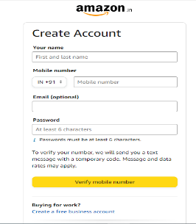 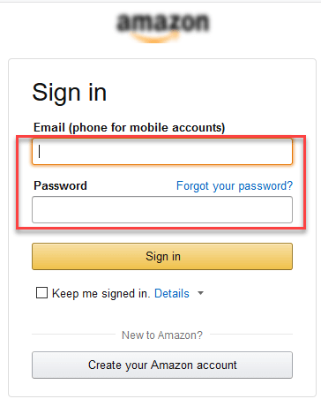 | Create Test scenarios and consider an online application of E-commerce website AMAZON, and as per the requirements mentioned draft out as many test scenarios as possible.
2 | Product Browsing: Users should be able to browse products by category, brand, and other relevant filters.The application should support quick view options for product details.
3 | 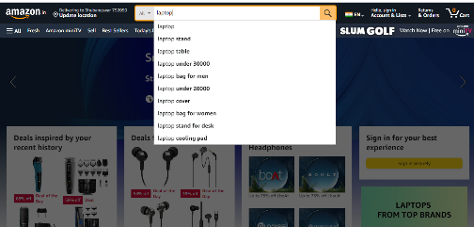 Product Search: Include a robust search functionality that provides accurate results based on product names, descriptions, and other relevant attributes.
4 | Product Details: Each product page should display detailed information, including price, availability, specifications, and customer reviews. | 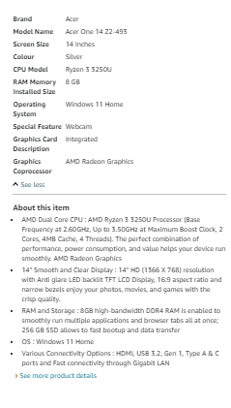
5 | Shopping Cart: Users must be able to add products to a shopping cart, view the cart contents, and proceed to checkout. | 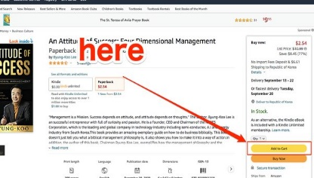
6 | Checkout Process: The checkout process should be streamlined with clear steps for users to enter shipping information, select payment options, and review their order before confirmation. | 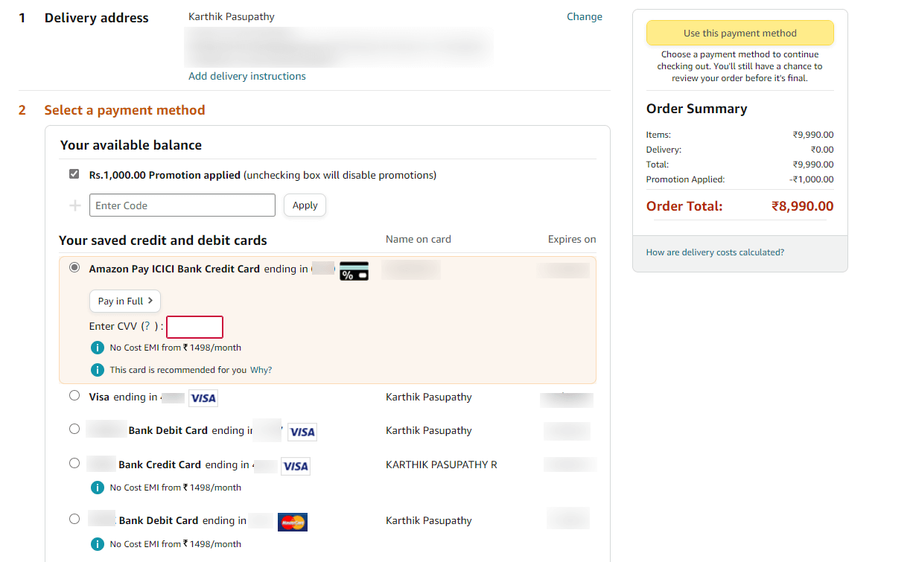
7 | Multiple Payment Options: Support a variety of payment methods, including credit/debit cards, digital wallets, and other popular online payment solutions. | 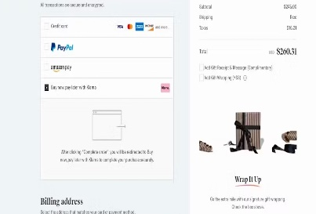
8 | Order Confirmation: Send users a confirmation email after a successful purchase, including order details and shipment tracking information. | 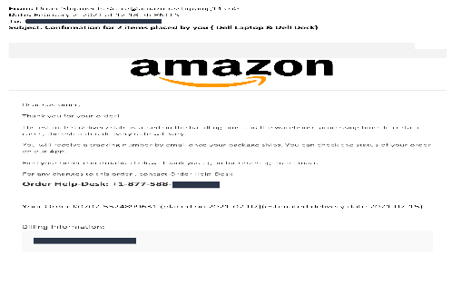
9 | User Accounts: Users should have profiles where they can manage personal information, view order history, and track shipments. | 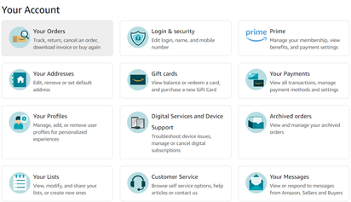
10 | Security Measures: Implement SSL encryption to secure user data during transmission.Employ security best practices to protect against common threats like SQL injection and cross-site scripting.
11 | Responsive Design: Ensure the application is responsive and provides a seamless experience across various devices, including desktops, tablets, and smartphones. | 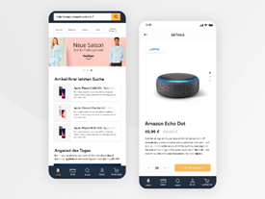
12 | Wishlist Feature: Allow users to create and manage wishlists for products they want to save for future consideration. | 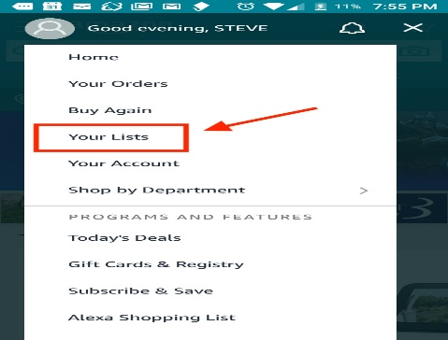
13 | Product Reviews and Ratings: Enable users to leave reviews and ratings for products to aid others in making informed purchase decisions.
14 | Discounts and Promotions: Support promotional campaigns, discounts, and coupon codes, and ensure they are correctly applied during the checkout process. | 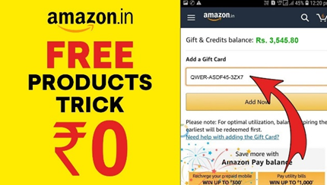
15 | Order Tracking: Provide a tracking system that allows users to monitor the status and location of their orders in real-time. | 